Script
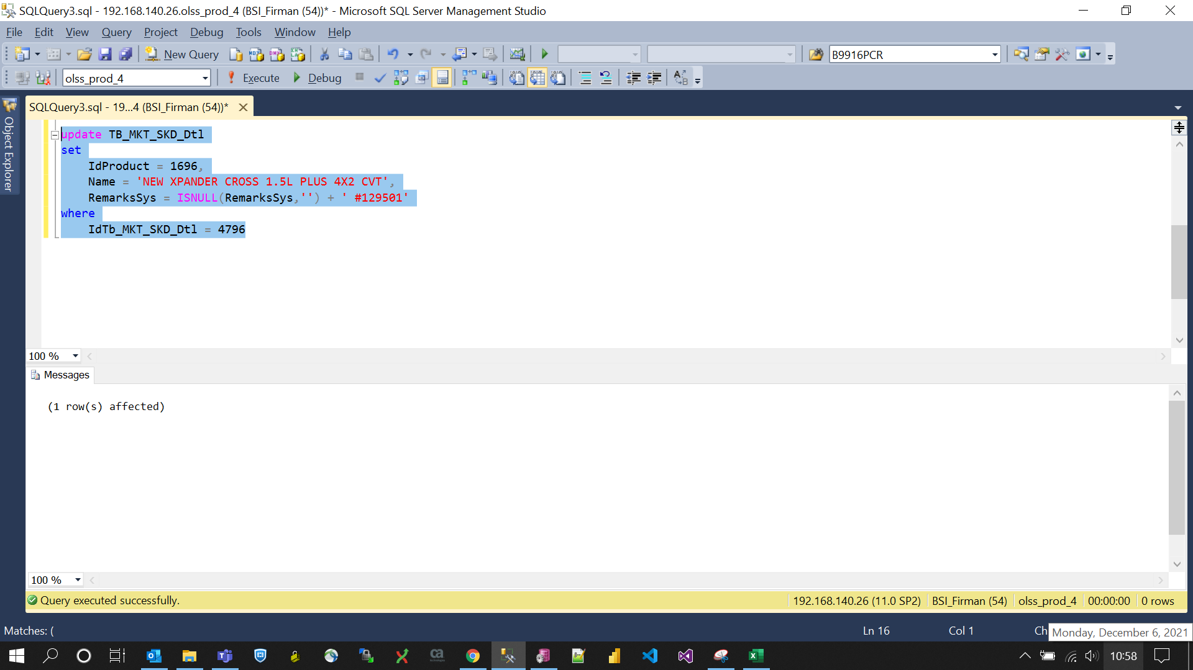
update TB_MKT_SKD_Dtl
set
 | IdProduct = 1696,
 | Name = 'NEW XPANDER CROSS 1.5L PLUS 4X2 CVT',
 | RemarksSys = ISNULL(RemarksSys,'') + ' #129501'
where
 | IdTb_MKT_SKD_Dtl = 4796

Screenshot
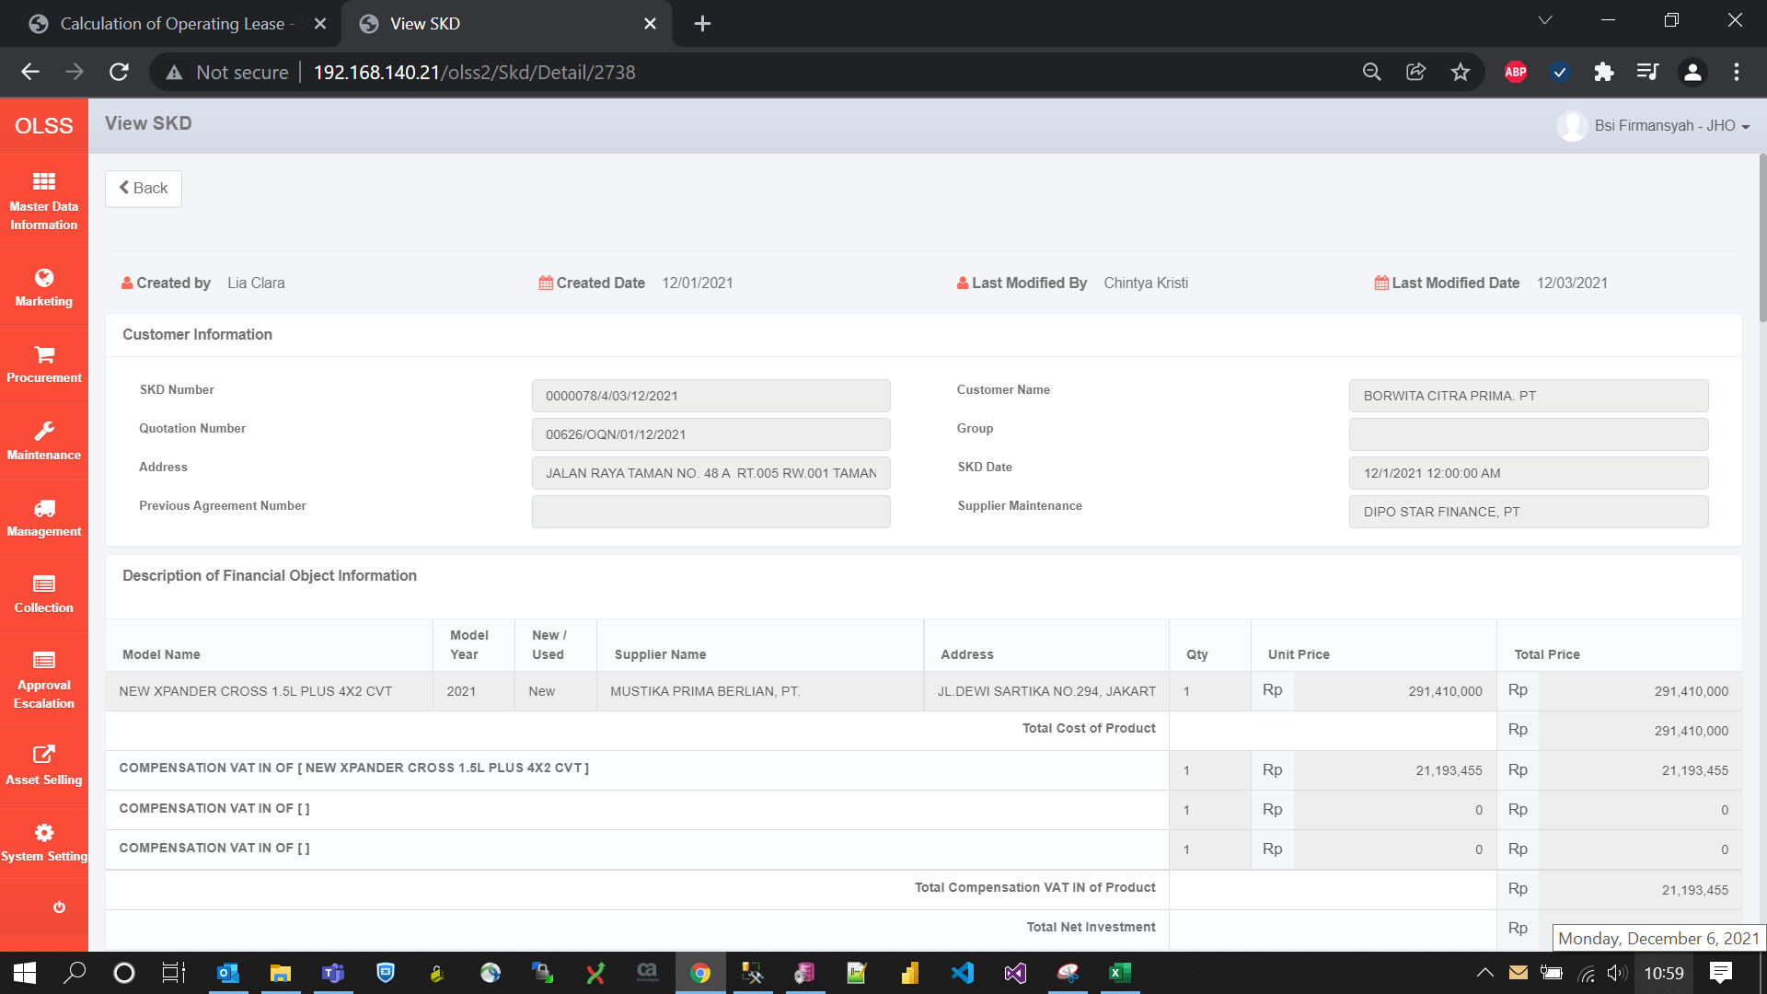
BEFORE
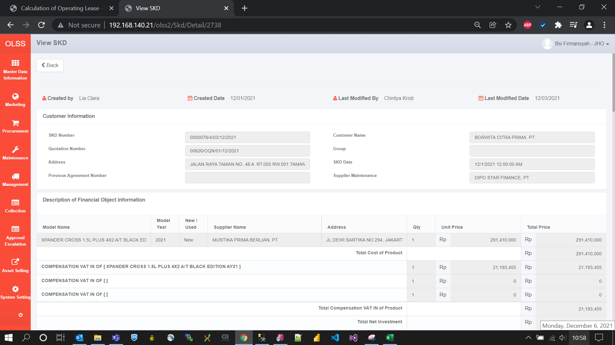

AFTER

